Sheet1
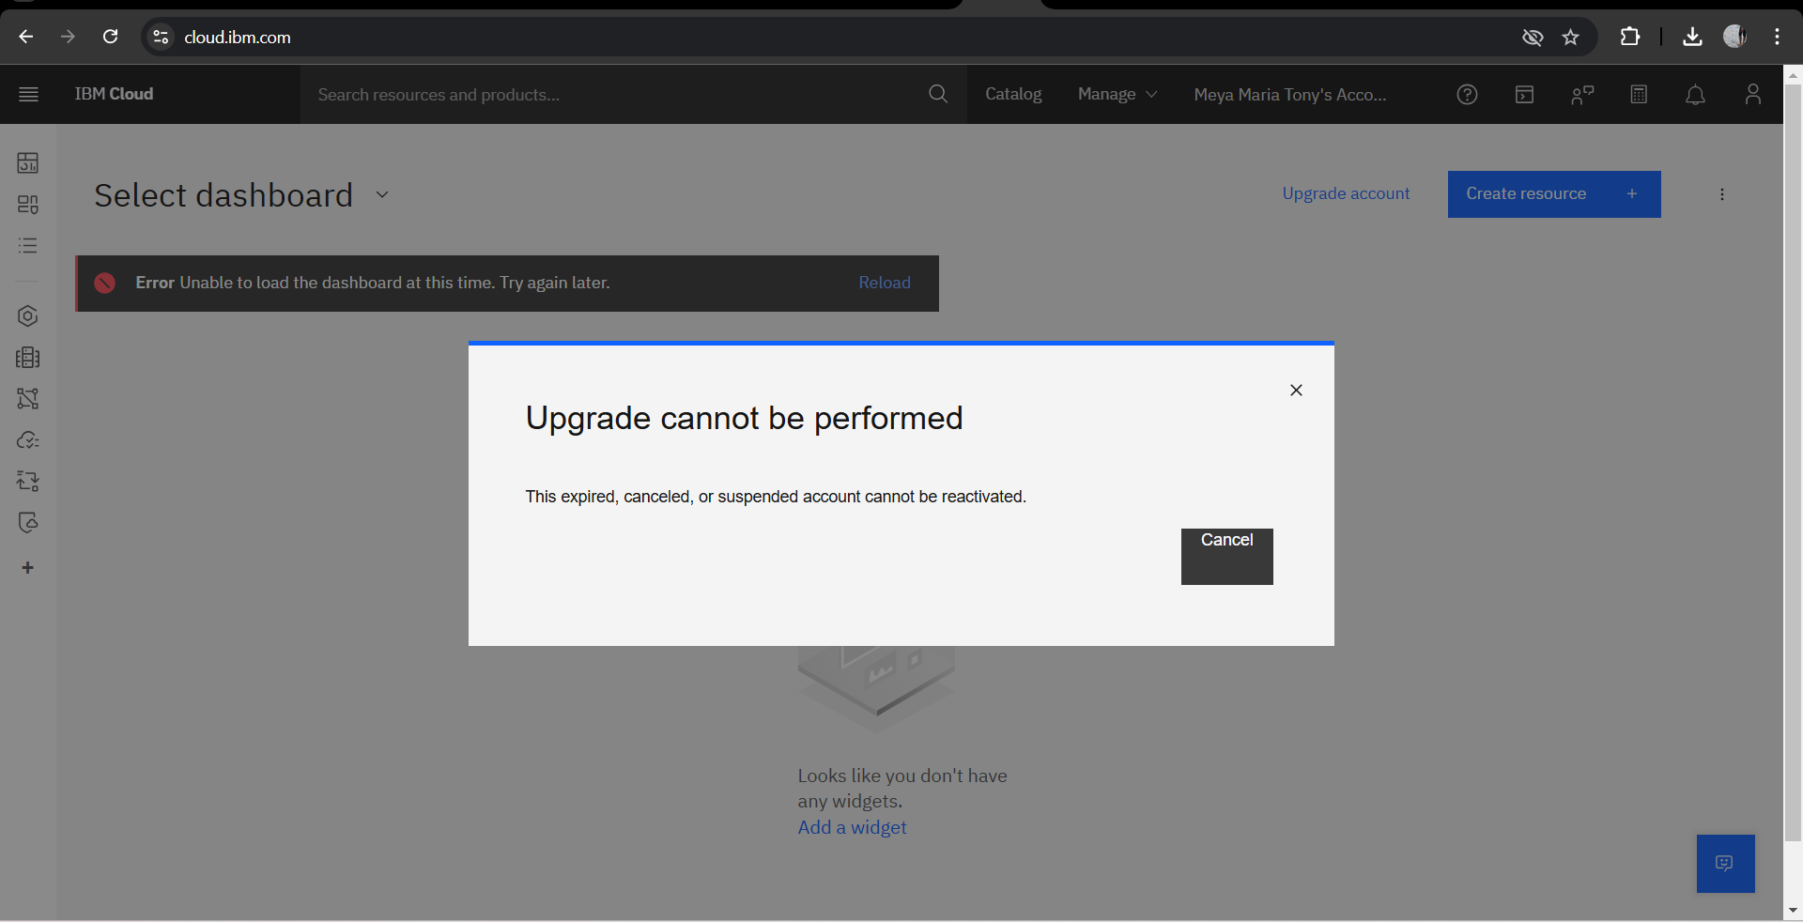
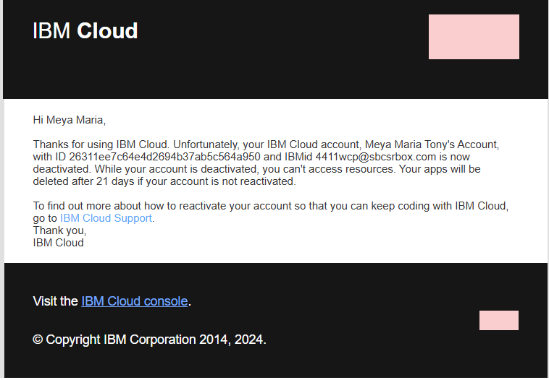
Review Name | Customer Review | Sentiment
Akshay | "I love how versatile the outfits are! Perfect for work and casual wear." | Positive
Anna | "The quality is decent, but the pricing feels a bit high for the value provided." | Neutral
Sandy | "This is a game-changer! I’ve stopped buying new clothes every month." | Positive
Meya | "It’s okay, but I wish there were more color options." | Neutral
Sruthy | "The concept is great, but the assembly is a bit complicated for me." | Negative
Esther | "Sustainable and stylish—exactly what I was looking for!" | Positive
Gokul | "I didn’t find the fit comfortable despite the modular design." | Negative
Neha | "This is the future of fashion—brilliantly done!" | Positive
Yelna | "The customer service was helpful, but the delivery was delayed." | Neutral
Zhiya | "Highly recommend it for anyone who loves mixing and matching styles!" | Positive
Liya | "It is not working fot me, different designs have differeent connecting agent and at times my dress just looks a mess" | Negative
Smera | "Modular clothes are limited in number so there are not much options to combine clothes" | Neutral

